Sheet1
SPESIFIKASI AUDIO MIXER - UNTUK MUSHOLLA AWB PT IMPT

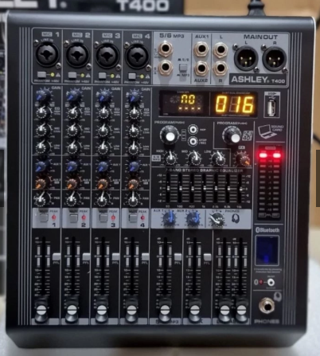
 | Professional Power Mixer Ashley Model: T400 (Dilengkapi dengan Bluetooth) Feature Feature Channel: 4 Mono / Mic Line 7 Band Stereo Graphic Equalizer Band EQ Gain Control High, Mid,Low 24bit Digital Multi Effect reverb 256dsp 2 Aux (1 aux send + 1 aux/effect) Headphone & Monitor Output With Control Digital Display Mp3,usb Interface,Bluetooth, Recording +48V Phantom Power Each Channel For Condenser Mute,Solo On Each Channel Output Power: 2 250watt 4 ohm Body Material: Iron Plate Nett Weight: 7,69kg/pcs Gross Weight: 9.95kg/pcs Packing type: Color Box Product Size: 30,5 33*12cm/pcs Packing Size: 35,5 37,5 17cm/pcs Digital Multi Effect reverb 99dsp 2 Aux (1 aux send + 1 aux/effect) Headphone & Monitor Output With Control Digital Display Mp3,usb Interface,Bluetooth, Recording +48V Phantom Power Each Channel For Condenser Mute,Solo On Each Channel Output Power: 2 250watt 4 ohm Body Material: Iron Plate Nett Weight: 7,69kg/pcs Gross Weight: 9.95kg/pcs Packing type: Color Box Product Size: 30,5 33*12cm/pcs Packing Size: 35,5 37,5 17cm/pcs

